Misc
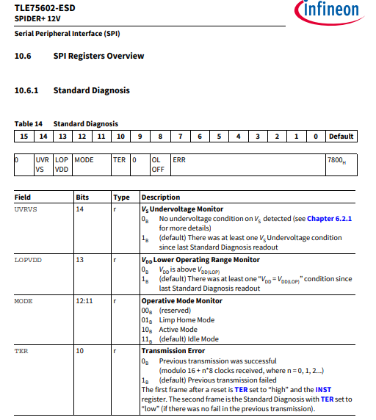

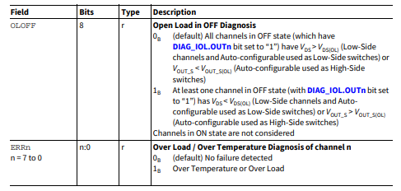

GDU_DRV3256
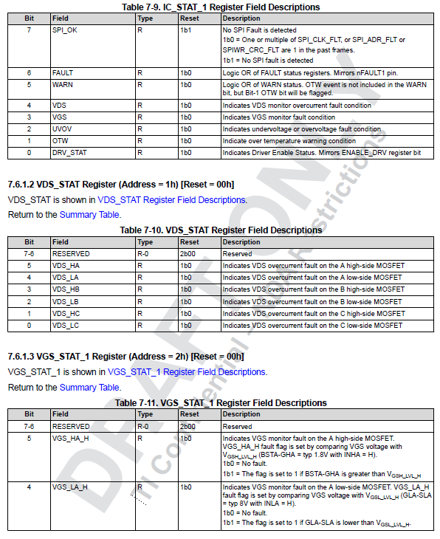
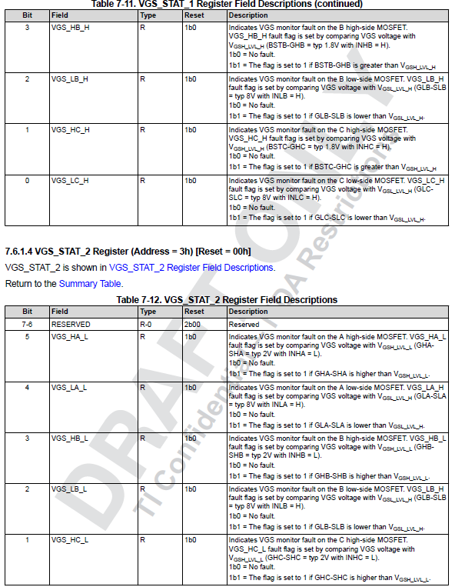
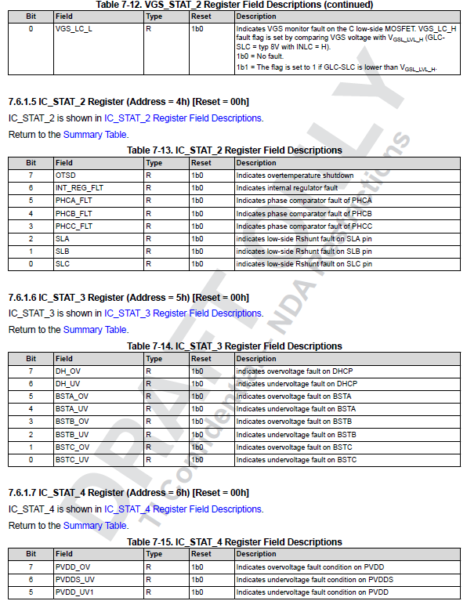
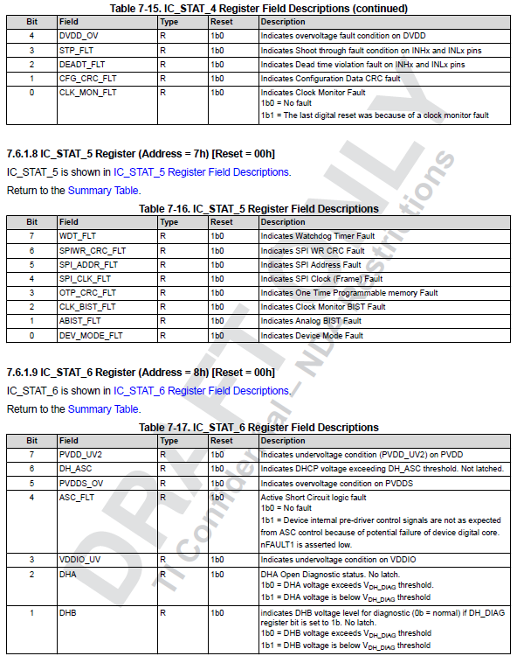
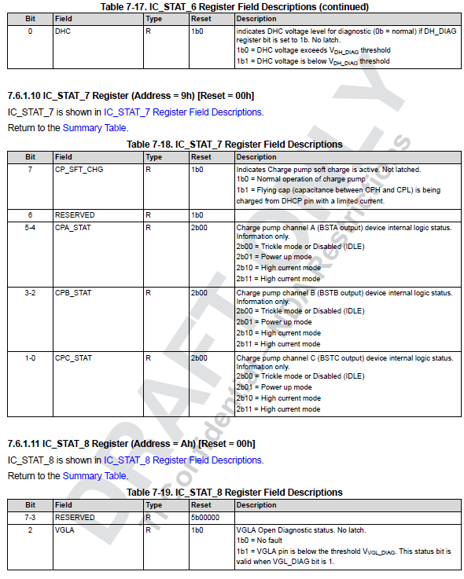
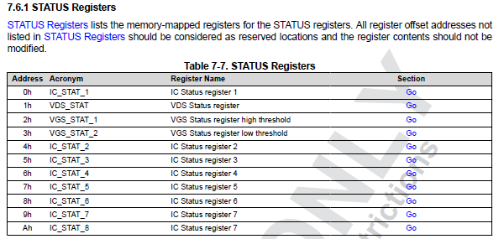
GDU DRV3256 STATUS REGISTERS
Mask | 0x80 | 0x40 | 0x20 | 0x10 | 0x08 | 0x04 | 0x02 | 0x01
NAME | D7 | D6 | D5 | D4 | D3 | D2 | D1 | D0 | Restrictions Type | Address | Default | On Boot (SPI_Msg_IN) | CFG CRC | Register Name
IC_STAT_1 | SPI_OK | FAULT | WARN | VDS | VGS | UVOV | OTW | DRV_STAT | R | 0h | 80h(2) | 0x8080 | No | IC Status register 1
VDS_STAT | RESERVED |  | VDS_HA | VDS_LA | VDS_HB | VDS_LB | VDS_HC | VDS_LC | R | 1h | 00h | 0x8000 | No | VDS Status register
VGS_STAT_1 | RESERVED |  | VGS_HA_H | VGS_LA_H | VGS_HB_H | VGS_LB_H | VGS_HC_H | VGS_LC_H | R | 2h | 00h | 0x8000 | No | VGS Status register high threshold
VGS_STAT_2 | RESERVED |  | VGS_HA_L | VGS_LA_L | VGS_HB_L | VGS_LB_L | VGS_HC_L | VGS_LC_L | R | 3h | 00h | 0x8000 | No | VGS Status register low threshold
IC_STAT_2 | OTSD | INT_REG_FLT | PHCA_FLT | PHCB_FLT | PHCC_FLT | SLA | SLB | SLC | R | 4h | 00h | 0x8000 | No | IC Status register 2
IC_STAT_3 | DH_OV | DH_UV | BSTA_OV | BSTA_UV | BSTB_OV | BSTB_UV | BSTC_OV | BSTC_UV | R | 5h | 00h(2) | 0x0 | No | IC Status register 3
IC_STAT_4 | PVDD_OV | PVDDS_UV | PVDD_UV1 | DVDD_OV | STP_FLT | DEADT_FLT | CFG_CRC_FLT | CLK_MON_FLT | R | 6h | 00h | 0x0 | No | IC Status register 4
IC_STAT_5 | WDT_FLT | SPIWR_CRC_FLT | SPI_ADDR_FLT | SPI_CLK_FLT | OTP_CRC_FLT | CLK_BIST_FLT | ABIST_FLT | DEV_MODE_FLT | R | 7h | 00h | 0x0 | No | IC Status register 5
IC_STAT_6 | PVDD_UV2 | DH_ASC | PVDDS_OV | ASC_FLT | VDDIO_UV | DHA | DHB | DHC | R | 8h | 00h | 0x0 | No | IC Status register 6
IC_STAT_7 | CP_SFT_CHG | RESERVED | CPA_STAT |  | CPB_STAT |  | CPC_STAT |  | R | 9h | 00h | 0x0 | No | IC Status register 7
IC_STAT_8 | RESERVED |  |  |  |  | VGLA | VGLB | VGLC | R | Ah | 00h | 0x0 | No | IC Status register 8

